Morpho
CN11 odd pins |  | CN11 even pins |  | CN12 odd pins |  | CN12 even pins
Pin nbr | Pin name | Pin nbr | Pin name | Pin nbr | Pin name | Pin nbr | Pin name
1 | PC10 | 2 | PC11 | 1 | PC9 | 2 | PC8
3 | PC12 | 4 | PD2 | 3 | PB8 | 4 | PC6
5 | 3V3_VDD | 6 | 5V_EXT | 5 | PB9 | 6 | PC5
7 | BOOT0(1) | 8 | GND | 7 | VREFP | 8 | 5V_USB_STLK(2)
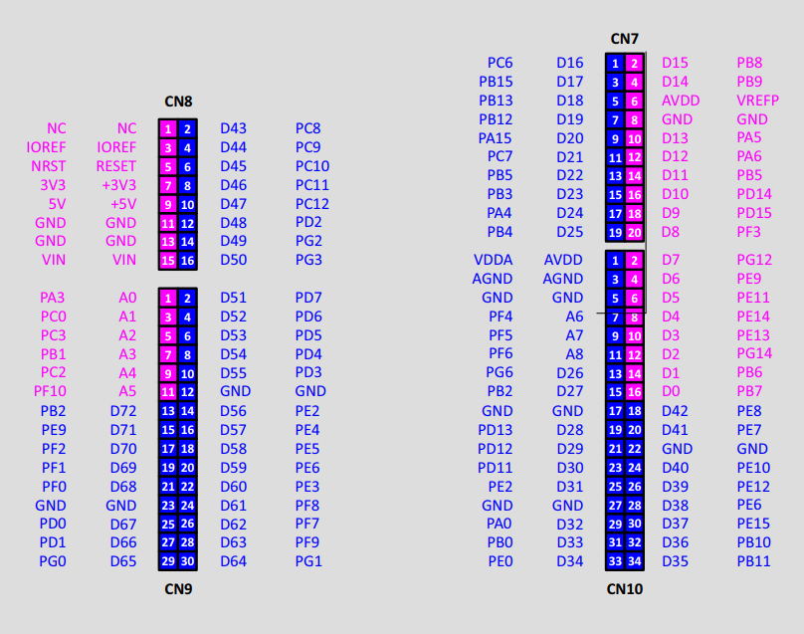
9 | PF6 | 10 | NC | 9 | GND | 10 | PD8
11 | PF7 | 12 | IOREF | 11 | PA5 | 12 | PA12
13 | PA13(3) | 14 | NRST | 13 | PA6 | 14 | PA11
15 | PA14(3) | 16 | 3V3 | 15 | PA7 | 16 | PB12
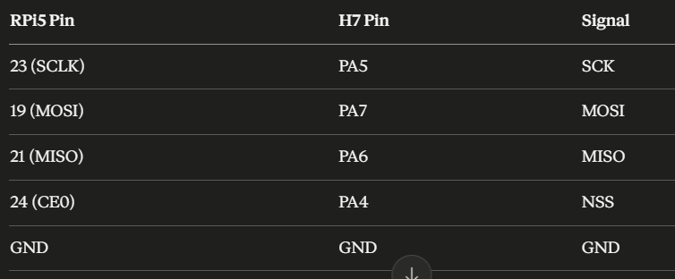
17 | PA15 | 18 | 5V | 17 | PB6 | 18 | PB11
19 | GND | 20 | GND | 19 | PC7 | 20 | GND
21 | PB7 | 22 | GND | 21 | PA9 | 22 | PB2
23 | PC13 | 24 | VIN | 23 | PA8 | 24 | PB1
25 | PC14 | 26 | NC | 25 | PB10 | 26 | PB15
27 | PC15 | 28 | PA0 | 27 | PB4 | 28 | PB14
29 | PH0 | 30 | PA1 | 29 | PB5 | 30 | PB13
31 | PH1 | 32 | PA4 | 31 | PB3 | 32 | AGND
33 | VBAT | 34 | PB0 | 33 | PA10 | 34 | PC4
35 | PC2 | 36 | PC1 | 35 | PA2 | 36 | PF5
37 | PC3 | 38 | PC0 | 37 | PA3 | 38 | PF4
39 | PD4 | 40 | PD3 | 39 | GND | 40 | PE8
41 | PD5 | 42 | PG2 | 41 | PD13 | 42 | PF10
43 | PD6 | 44 | PG3 | 43 | PD12 | 44 | PE7
45 | PD7 | 46 | PE2 | 45 | PD11 | 46 | PD14
47 | PE3 | 48 | PE4 | 47 | PE10 | 48 | PD15
49 | GND | 50 | PE5 | 49 | PE12 | 50 | PF14
51 | PF1 | 52 | PF2 | 51 | PE14 | 52 | PE9
53 | PF0 | 54 | PF8 | 53 | PE15 | 54 | GND
55 | PD1 | 56 | PF9 | 55 | PE13 | 56 | PE11
57 | PD0 | 58 | PG1 | 57 | PF13 | 58 | PF3
59 | PG0 | 60 | GND | 59 | PF12 | 60 | PF15
61 | PE1 | 62 | PE6 | 61 | PG14 | 62 | PF11
63 | PG9 | 64 | PG15 | 63 | GND | 64 | PE0
65 | PG12 | 66 | PG10 | 65 | PD10 | 66 | PG8
67 | NC | 68 | PG13 | 67 | PG7 | 68 | PG5
69 | PD9 | 70 | PG11 | 69 | PG4 | 70 | PG6

